Use_Case
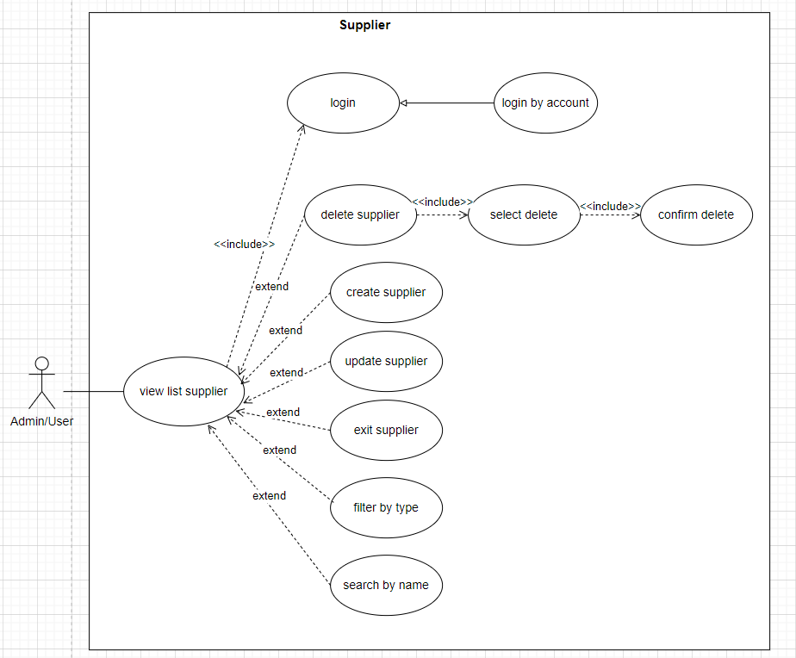
6.7 Quản lý nhà cung cấp
Other. Xóa nhà cung cấp

Class_Diagram
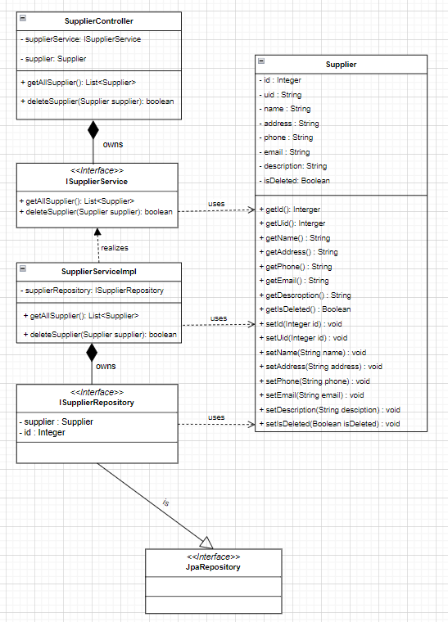
6.7 Quản lý nhà cung cấp
Orther. Xóa nhà cung cấp

Sequence_Diagram
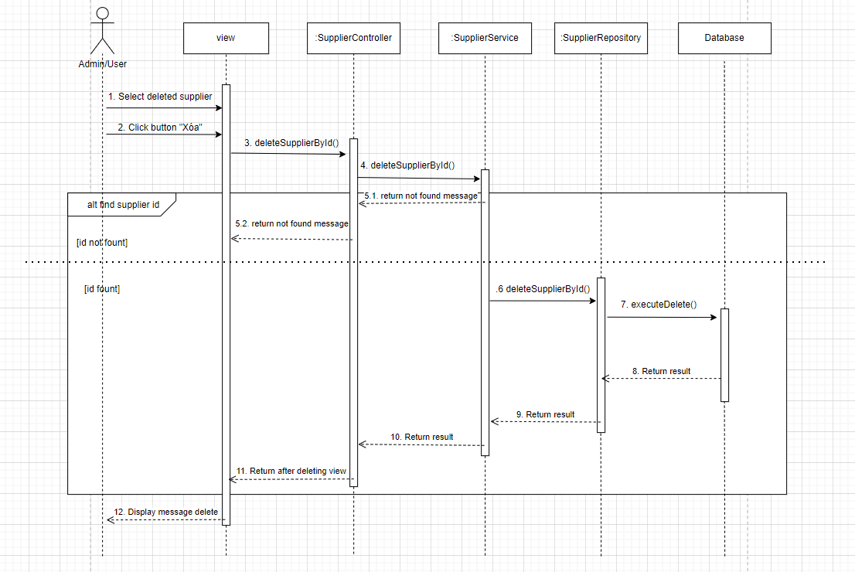
6.7 Quản lý nhà cung cấp

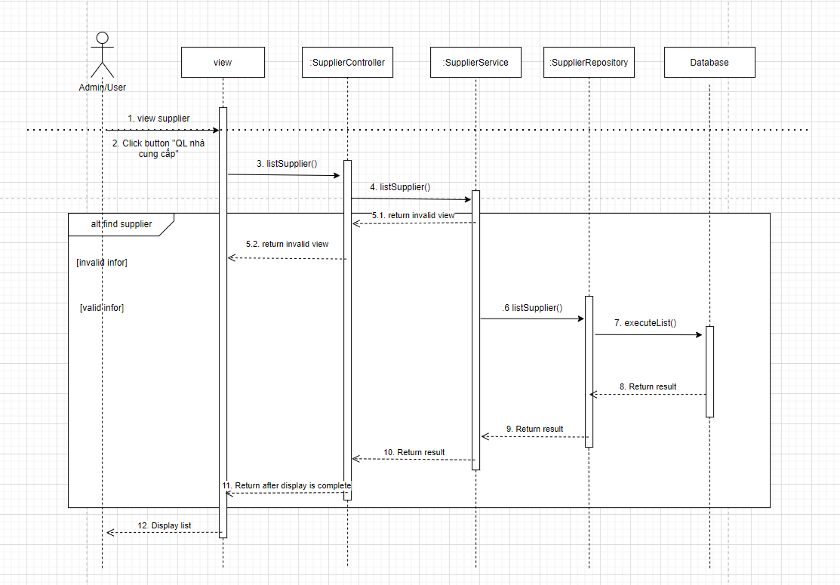

Orther. Xóa nhà cung cấp

